Result
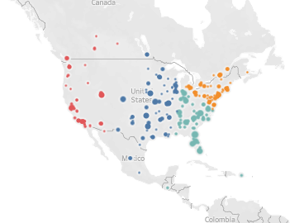
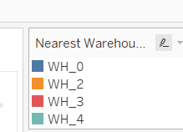
Row Labels | Average of Min Distance | Count of Nearest Warehouses | Min of Min Distance | Max of Min Distance | Sum of Total_Demand
WH_0 | 667.24269805 | 155 | 40.103253401 | 1995.3512407 | 33976121.51
WH_2 | 617.17008155 | 137 | 95.73567007 | 13818.299466 | 35197226.562
WH_3 | 1297.7128108 | 130 | 73.023007872 | 13570.214683 | 28147702.431
WH_4 | 508.214836 | 115 | 38.156637075 | 2406.4934214 | 47884093.934
Grand Total | 773.03964789 | 537 | 38.156637075 | 13818.299466 | 145205144.44

Row Labels | Average of Min Distance | Count of Nearest Warehouses | Min of Min Distance | Max of Min Distance | Sum of Total_Demand | 50% Demand | 80% Demand | % Contribution
WH_0 | 667.24269805 | 155 | 40.103253401 | 1995.3512407 | 33976121.51 | 378Km | 770Km | 23%
WH_2 | 617.17008155 | 137 | 95.73567007 | 13818.299466 | 35197226.562 | 317Km | 428Km | 24%
WH_3 | 1297.7128108 | 130 | 73.023007872 | 13570.214683 | 28147702.431 | 610KM | 954KM | 19%
WH_4 | 508.214836 | 115 | 38.156637075 | 2406.4934214 | 47884093.934 | 196KM | 526KM | 33%
Grand Total | 773.03964789 | 537 | 38.156637075 | 13818.299466 | 145205144.44

